Sheet1
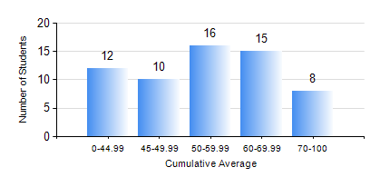
 |  |  | KWAME NKRUMAH UNIVERSITY OF SCIENCE AND TECHNOLOGY, KUMASI Department of Materials Engineering

 |  |  | BSC. METALLURGICAL ENG.

 |  |  | COMPREHENSIVE RECORD OF EXAMINATION RESULTS

 |  |  | RESULTS OF YEAR 1 FIRST SEMESTER, 2024/2025 ACADEMIC YEAR

 | Sn | Course Code |  | Course Name | Credit Hours | Min. Mark | Max. Mark | Avg. Mark | Std. Dev. | No. Passed | No. Trailed | No. (Df) | No. (I) | No. (I*) | No. Tagged(I,I*,Df) | Total
 | 1. | EE 151 |  | APPLIED ELECTRICITY | 3 | 28 | 82 | 51 | 14.67 | 51 | 10 | 0 | 0 | 0 | 0 | 61
 | 2. | ENGL 157 |  | COMMUNICATION SKILLS I | 2 | 31 | 80 | 61 | 9.97 | 59 | 2 | 0 | 0 | 0 | 0 | 61
 | 3. | MATH 151 |  | ALGEBRA | 4 | 23 | 85 | 52 | 17.95 | 47 | 14 | 0 | 0 | 0 | 0 | 61
 | 4. | ME 159 |  | TECHNICAL DRAWING | 2 | 41 | 88 | 54 | 10.48 | 61 | 0 | 0 | 0 | 0 | 0 | 61
 | 5. | ME 195 |  | ENGINEERING TECHNOLOGY I | 2 | 52 | 78 | 66 | 5.19 | 61 | 0 | 0 | 0 | 0 | 0 | 61
 | 6. | METE 151 |  | INTRODUCTION TO METALLURGICAL ENGINEERING | 1 | 48 | 89 | 73 | 9.7 | 60 | 0 | 0 | 1 | 0 | 1 | 61
 | 7. | MSE 153 |  | INTRODUCTION TO INFORMATION TECHNOLOGY | 1 | 20 | 82 | 59 | 13.8 | 56 | 5 | 0 | 0 | 0 | 0 | 61
 | 8. | MSE 155 |  | PRINCIPLES OF MATERIALS SCIENCE | 3 | 13 | 90 | 49 | 20.95 | 46 | 15 | 0 | 0 | 0 | 0 | 61

